Overview
OVERVIEW: The PEV Policy Rubric provides a unique, evidence-based method to help decision-makers identify and prioritize PEV programs and policies. The Rubric categorizes all PEV policies into 6 policy categories and 14 policy subcategories. Each policy subcategory is assigned a weight, based on its relative strength, to spur PEV adoption relative to other policies. These weightings were assigned after an exhaustive review of peer-reviewed journal articles, publications from Government, non-governmental organizations (NGOs), and the National Academies of Sciences, as well as multiple rounds of expert input from ten external Technical Reviewers from academia, government, and the non-profit sector.

DEFINITIONS IN RUBRIC: Refer to the diagram at right. Policy Categories are broad type of policies that address a specific PEV market barrier. Policy Sub-Categories are specific policy types within the broad Policy Category. Weights reflect the relative importance of each Policy Sub-Category relative to other Policy Sub-Categories. The higher the weight, the greater the evidence of a strong policy impact in driving PEV sales. Across Policy Sub-Categories, Weights vary between 1 and 30. Weights sum to 100. Ratings reflect how well or strongly a policy is implemented in a jurisdiction. The four levels of Ratings are Strong (100%), Moderate (50%), Weak (10%), and none (0%), with the percentages representing the quantified use of the rating within the Rubric. Evaluation Criteria are specific criteria that allow the user of the Rubric to identify which Rating to assign to a given policy (or bundle or policies). | 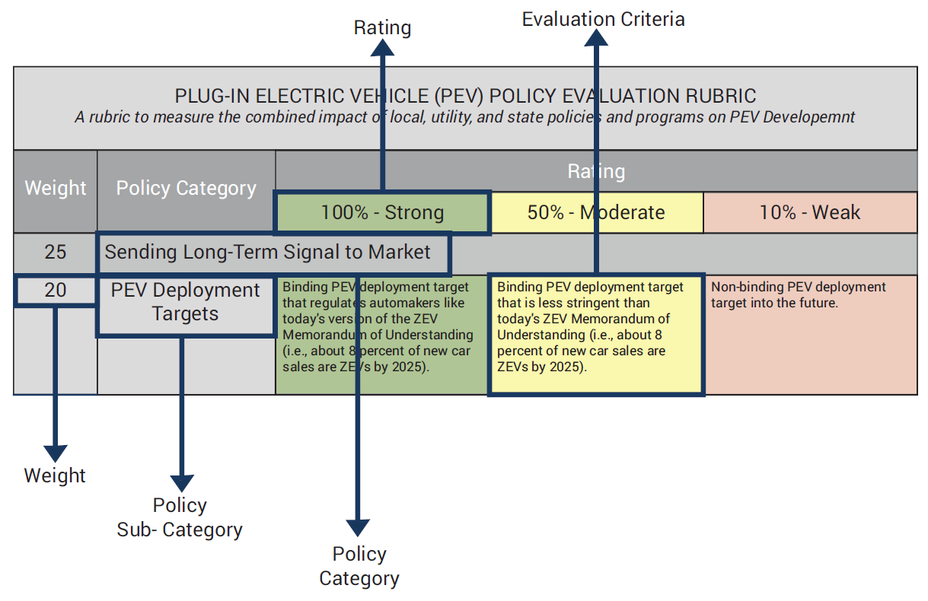

HOW TO USE: With this rubric, users can evaluate the strengths and weaknesses of all PEV-related policies in a given metro area on a scale of 1-100. For each policy category, identify which rating best describes the jurisdiction's set of PEV policies. Multiply the rating by the weight. Finally, sum all the weights to estimate a score out of 100. For a more detailed description, see the accompanying report entitled: "PEV Policy Evaluation Rubric: A Methodology for Evaluating the Impact of State and Local Policies on Plug-in Electric Vehicle Adoption."

AUTHORS: This rubric was created in a project led by NASEO and supported by the Cadmus Group LLC. The lead authors were Geoffrey Morrison and Neil Veilleux of the Cadmus Group, and Cassie Powers of NASEO.

